normal distribution tools
Finding Normal Curve Proportions/Probabilities with Excel:

Consider the question:
A recent study found that the age of cars on road in 2013 is normally distributed with an average age of 8.3 years and a standard deviation of 2.4 years.
Find the percent of cars that you would predict to be more than 10 years old.
Consider the question:
A recent study found that the age of cars on road in 2013 is normally distributed with an average age of 8.3 years and a standard deviation of 2.4 years.
Find the age that defines the top 2% of oldest cars on the road.

 | 0.00033546443311
 | 0.00036333158896
 | 0.00039335630597
 | 0.00042569187182
 | 0.00046050132182
 | 0.00049795796881
 | 0.00053824595502
 | 0.00058156082641
 | 0.00062811012998
 | 0.00067811403416
 | 0.00073180597293
 | 0.00078943331362
 | 0.0008512580489
 | 0.00091755751294
 | 0.00098862512194
 | 0.0010647711392
 | 0.0011463234644
 | 0.0012336284477
 | 0.0013270517272
 | 0.0014269790915
 | 0.0015338173649
 | 0.0016479953164
 | 0.0017699645913
 | 0.0019002006649
 | 0.0020392038176
 | 0.0021875001307
 | 0.0023456425011
 | 0.0025142116756
 | 0.0026938173017
 | 0.0028850989942
 | 0.003088727417
 | 0.0033054053765
 | 0.0035358689271
 | 0.0037808884848
 | 0.0040412699479
 | 0.0043178558222
 | 0.0046115263484
 | 0.0049232006289
 | 0.0052538377503
 | 0.0056044379006
 | 0.0059760434764
 | 0.006369740176
 | 0.0067866580774
 | 0.0072279726948
 | 0.007694906011
 | 0.0081887274811
 | 0.0087107550037
 | 0.0092623558543
 | 0.0098449475763
 | 0.010459998826
...
 | 0.00033546443311
 | 0.00036333158896
 | 0.00039335630597
 | 0.00042569187182
 | 0.00046050132182
 | 0.00049795796881
 | 0.00053824595502
 | 0.00058156082641
 | 0.00062811012998
 | 0.00067811403416
 | 0.00073180597293
 | 0.00078943331362
 | 0.0008512580489
 | 0.00091755751294
 | 0.00098862512194
 | 0.0010647711392
 | 0.0011463234644
 | 0.0012336284477
 | 0.0013270517272
 | 0.0014269790915
 | 0.0015338173649
 | 0.0016479953164
 | 0.0017699645913
 | 0.0019002006649
 | 0.0020392038176
 | 0.0021875001307
 | 0.0023456425011
 | 0.0025142116756
 | 0.0026938173017
 | 0.0028850989942
 | 0.003088727417
 | 0.0033054053765
 | 0.0035358689271
 | 0.0037808884848
 | 0.0040412699479
 | 0.0043178558222
 | 0.0046115263484
 | 0.0049232006289
 | 0.0052538377503
 | 0.0056044379006
 | 0.0059760434764
 | 0.006369740176
 | 0.0067866580774
 | 0.0072279726948
 | 0.007694906011
 | 0.0081887274811
 | 0.0087107550037
 | 0.0092623558543
 | 0.0098449475763
 | 0.010459998826
...

10
2%

8.3
8.3

By hand:
To find the answer by hand we would first find the z-score for 10 using our formula. Then we would consult our table. This would give us the proportion BELOW 10 years old. Subtracting this value from 1 will give us the proportion above 10 years old.
By hand:
To find the answer by hand we look in the field of our table for the proportion .98, or as close as we can get to it. Then find the z-score matching that proportion. Using our z-score formula we can solve for the requested value.

 | By Hand:
By Hand:
Using the TI - 84:
To find the answer with the TI - 84 use the invNorm function found in distribution menu (DISTR).
It should look like "invNorm(area left,mean,stdev)"
Using the TI - 84:
To find the answer with the TI - 84 use the normalcdf function found in distribution menu (DISTR).
It should look like "normalcdf(lower,upper,mean,stdev)"

 | TI - 84:
TI - 84:
With Excel:
To find the answer with Excel we will use the "NORMINV" command. This tool asks for the probability on the left of the graph (.98), the mean (8.3), and the standard deviation (2.4).
It should look like "=NORMINV(probability,mean, stdev)"
With Excel:
To find the answer using Excel we will use the "NORMDIST" command. This tool asks for the value you wish to find (10), the mean (8.3), the standard deviation (2.4), and true for a cumulative measure. It returns the area to the left of the x value (just like table V).
It should look like "=NORMDIST(x, mean, stdev, true)"

 | Excel:

Excel:

concrete strength 10.2
Perform the statistical calculations.

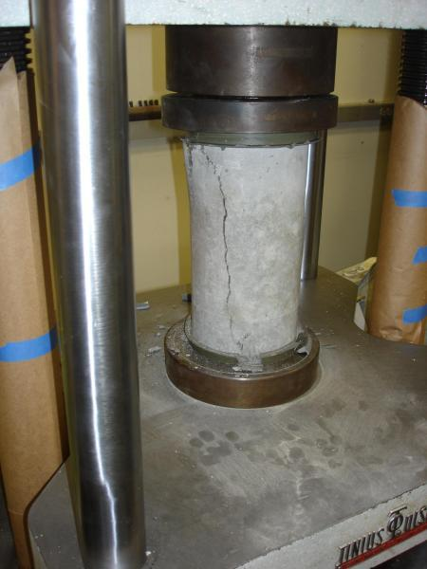
Concrete Breaking Strengths (pounds per square inch (PSI))
1148
1229 | sample size =
906
1168 | mean =
1167
1187 | sample standard deviation =
1011
1261 | find and interpret an 80% confidence interval ( round to 1 place) =
1113
1318
1252 | If the data is normally distributed, find the percent of test cylinders that would be expected to break at more than 1300 PSI (round to 3 places) =
1147
1119
1119
1023
1115
1024 | Treating the data as a normally distributed, find the probability that 12 test cylinders will have a combined average breaking strength under 1150 PSI (round to 3 places) =
1320
1187
1330
1249
1294
1212
1158 | find the PSI number that defines the top 15% breaking strengths (round to a whole number) =
1024
967
1238
1335
1211
993
1243
1024
976
954
1202
1380
1256
1144
924
996
1387
1022
1171
1164
1262
1384
1378
1377
1055
1266

